
 |  |  |  | CODE: |  |  | PL1267 aa SN from 98L000
DESCRIPTION: |  | ELECTRIC UNIT 1 |  | ELEKTRISCHE GRUPPE 1 | GROUPE ELECTRIQUE 1 | GRUPO ELÉCTRICO 1 | PARTI ELETTRICHE 1
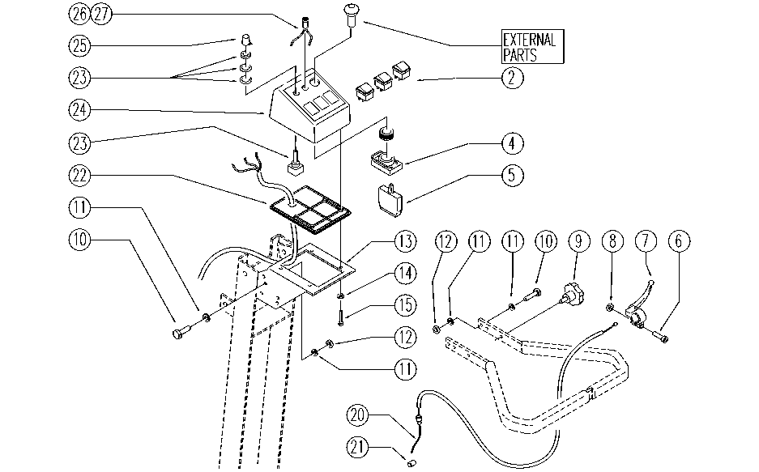

REF. | CODE | DESCRIPTION | QT
2 | E86423 | Bipolar Switch | 3
4 | E86988 | Operator D22 complete | 1
5 | E86988 | Operator D22 complete | 2
6 | SL04063 | SCREW | 1
7 | E86715 | Traction Lever | 1
8 | SL05057 | NUT | 1
9 | E86674 | AS28 Knob | 2
10 | E89194 | Screw | 6
11 | E86726 | Washer | 12
12 | E86853 | Nyloc Hex Nut, M8 Zinc | 6
13 | SL09725 | BRACKET | 1
14 | E89118 | Washer | 4
15 | SL04177 | SCREW | 4
20 | E86655 | Cable | 1
21 | E86990 | Terminal D.5,5-2 L7 with Dowel | 1
22 | E89226 | Control panel base AS20 | 1
23 | E86837 | Potentiometer | 1
24 | E86989 | Control Panel | 1
25 | E86644 | Knob for Potentiometer | 1
26 | E86421 | Reflector | 1
27 | E86640 | Control Battery Light | 1

